Cover
 |  | VERSION CONTROL
 |  |  | Date Posted to VirginiaHousing.com
 |  | Version# |  | Reason
 |  | 2025.1 | 2024-12-19 | New Reservation Application
2025 Federal Low Income Housing |  | 2025.2 | 2025-01-02 | Update Sp Housing Needs Accessibility 1 points.
Tax Credit Program |  | 2025.3 | 2025-01-07 | Updated Rent Burden points calculation, added additional team members
 |  | 2025.4 | 2025-03-05 | Corrected point calculation for Section 2 Housing Needs Characteristics: A Sec 8 or PHA waiting list preference.

Application For Reservation

Deadline for Submission
9% Competitive Credits
Applications Must Be Received At Virginia Housing No Later Than 12:00 PM Richmond, VA Time On March 13, 2025
Tax Exempt Bonds
Applications must be received at Virginia Housing No Later Than 12:00 PM Richmond, VA Time for one of the two available 4% credit rounds- January 15, 2025, May 1, 2025 or July 1, 2025.

 |  | LEGEND

 |  |  | Indicates value selected from drop down list

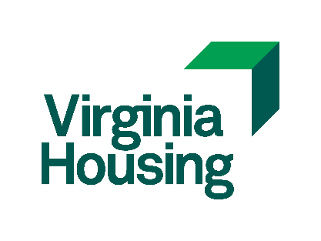

 | Virginia Housing
 | 601 South Belvidere Street
 | Richmond, Virginia 23220-6500

